Sheet1
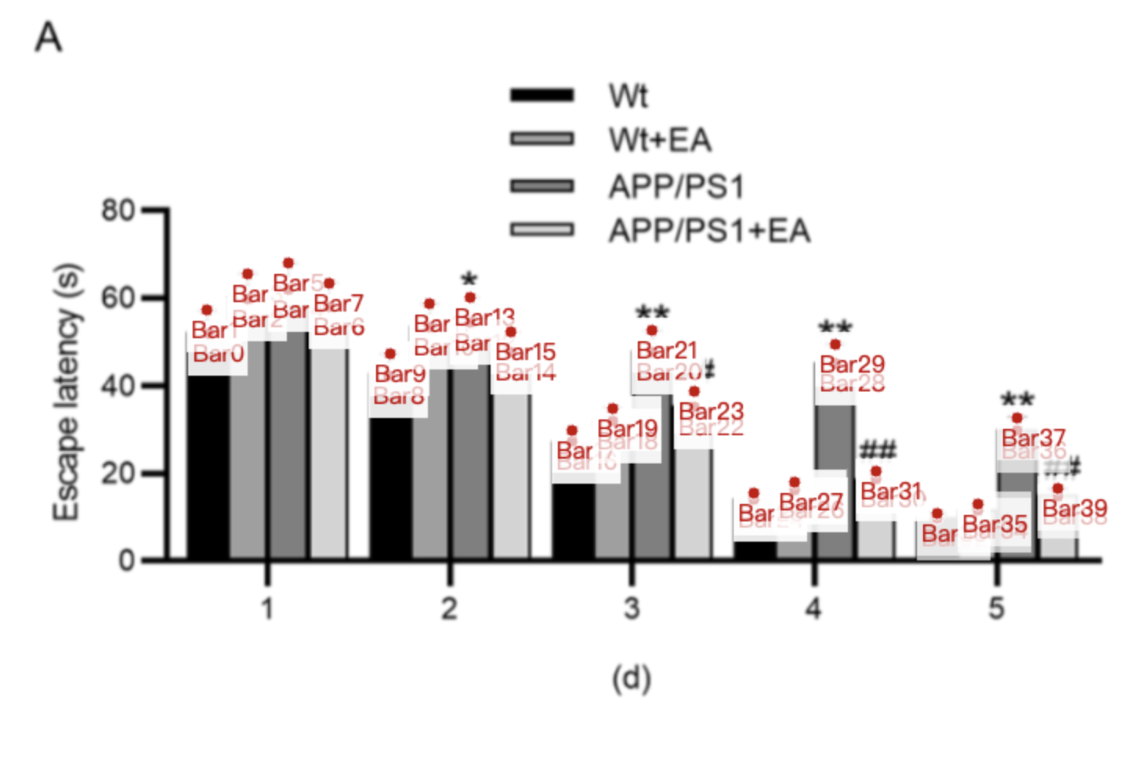
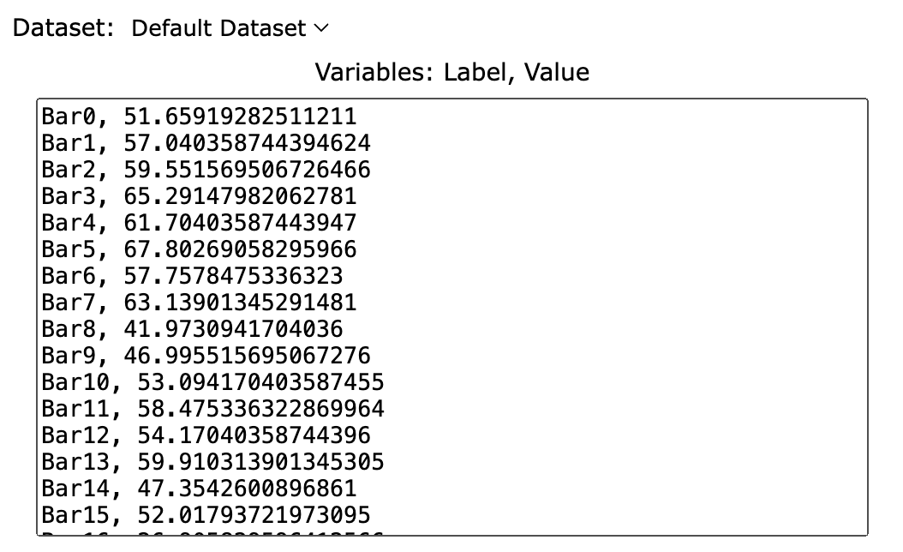
Treatment Groups | Wt_escape_latency | Wt+EA_escape_latency | APP/PS1_escape_latency | APP/PS1+EA_escape_latency
day_1_mean | 51.659192825 | 59.551569507 | 61.704035874 | 57.757847534
day_1_sd | 5.381165919 | 5.739910314 | 6.098654709 | 5.381165919
day_1_mean+sd | 57.040358744 | 65.291479821 | 67.802690583 | 63.139013453
day_2_mean | 41.97309417 | 53.094170404 | 54.170403587 | 47.35426009
day_2_sd | 5.022421525 | 5.381165919 | 5.739910314 | 4.66367713
day_2_mean+sd | 46.995515695 | 58.475336323 | 59.910313901 | 52.01793722
day_3_mean | 26.905829596 | 31.569506726 | 47.35426009 | 34.798206278
day_3_sd | 2.511210762 | 2.869955157 | 5.022421525 | 3.587443946
day_3_mean+sd | 29.417040359 | 34.439461883 | 52.376681614 | 38.385650224
day_4_mean | 13.632286996 | 15.784753363 | 44.843049327 | 18.295964126
day_4_sd | 1.434977578 | 1.793721973 | 4.304932735 | 1.793721973
day_4_mean+sd | 15.067264574 | 17.578475336 | 49.147982063 | 20.089686099
day_5_mean | 9.3273542601 | 11.121076233 | 29.417040359 | 14.349775785
day_5_sd | 1.076233184 | 1.434977578 | 2.869955157 | 1.793721973
day_5_mean+sd | 10.403587444 | 12.556053812 | 32.286995516 | 16.143497758

